Trang tính1
AIMS software |  | Date of creation | Approved by | Reviewed by | In charge | Item name | Number of digits (bytes) | Type | Field attribute | Remarks
Screen specification | Loading screen |  |  |  |  | Logo | 50 | Image | Center-aligned | Hiển thị logo ứng dụng
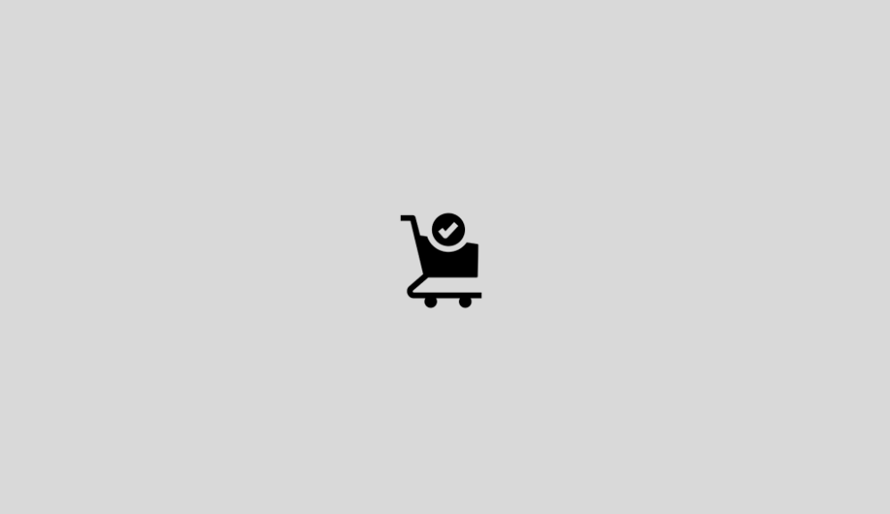 |  | Control | Operation | Function
 |  | Logo AIMS | Initial | Hiển thị logo và tên ứng dụng trên trang chủ

AIMS software |  | Date of creation | Approved by | Reviewed by | In charge | Item name | Number of digits (bytes) | Type | Field attribute | Remarks
Screen specification | Homepage |  |  |  |  | Product name | 50 | Numeral | Black | Left-justified
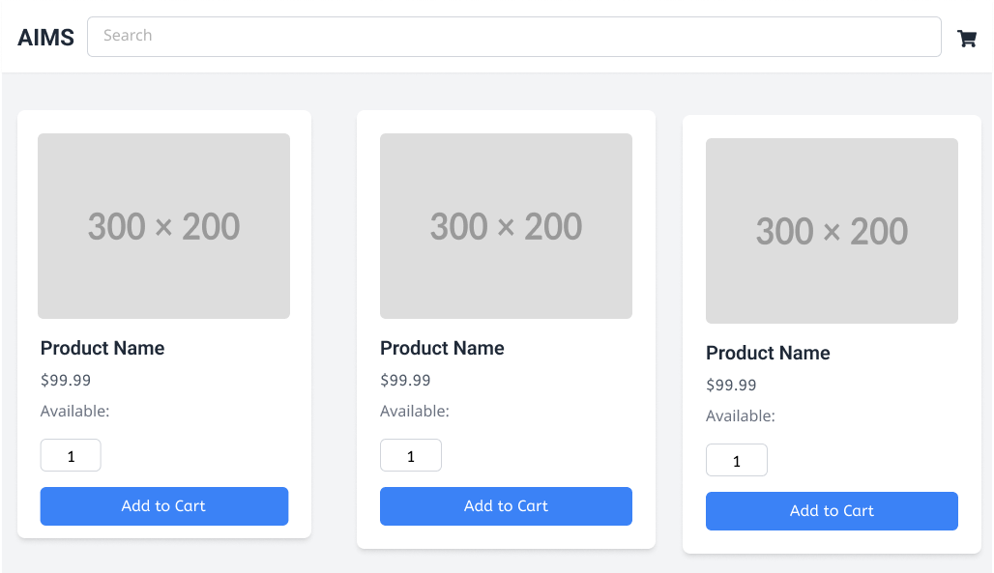 |  | Control | Operation | Function |  | Price | 20 | Numeral | Black | Right-justified
 |  | Search bar | N/A | Allows user to search for products |  | Available | 20 | Numeral | Black | -
 |  | Area for showing the product details | Initial | Display product image, name, price, and availability
 |  | "Add to Cart" button | Click | Add product to cart

AIMS software |  | Date of creation | Approved by | Reviewed by | In charge | Item name | Number of digits (bytes) | Type | Field attribute | Remarks
Screen specification | Cart Screen |  |  |  |  | Product name | 50 | Numeral | Black | -
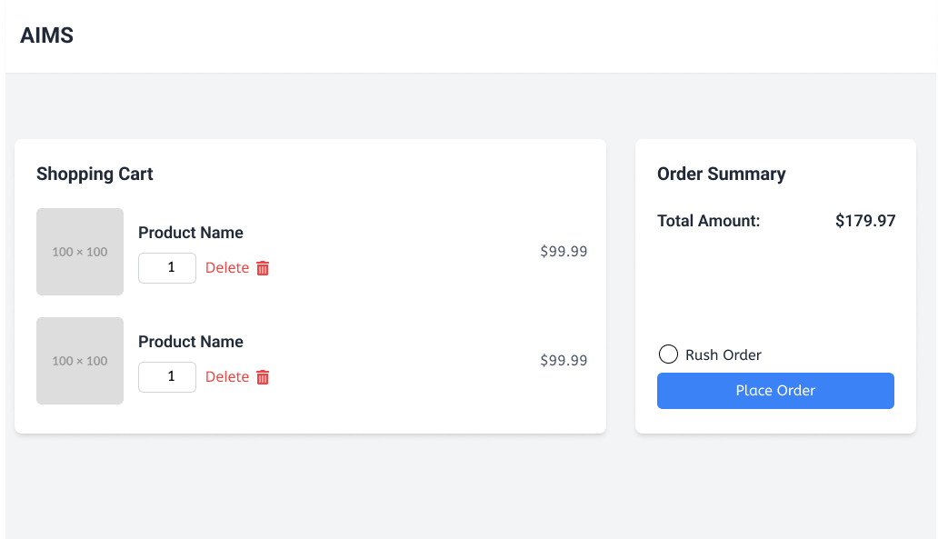 |  | Control | Operation | Function |  | Price | 20 | Numeral | Black | Right-justified
 |  | Area for displaying the Shopping Cart | Initial | Display the products in the shopping cart |  | Total Amount | 20 | Numeral | Black | Right-justified
 |  | Area for displaying the Product name | Initial | Display the product name
 |  | "Delete" button | Click | Remove the product from the shopping cart
 |  | Area for displaying the Order Summary | Initial | Display the total amount of the order
 |  | "Rush Order" checkbox | N/A | Allow the user to select rush order
 |  | "Place Order" button | Click | Place the order

AIMS software |  | Date of creation | Approved by | Reviewed by | In charge | Item name | Number of digits (bytes) | Type | Field attribute | Remarks
Screen specification | Shipping screen |  |  |  |  | Name | 50 | Alphanumeric | Black | Left-justified
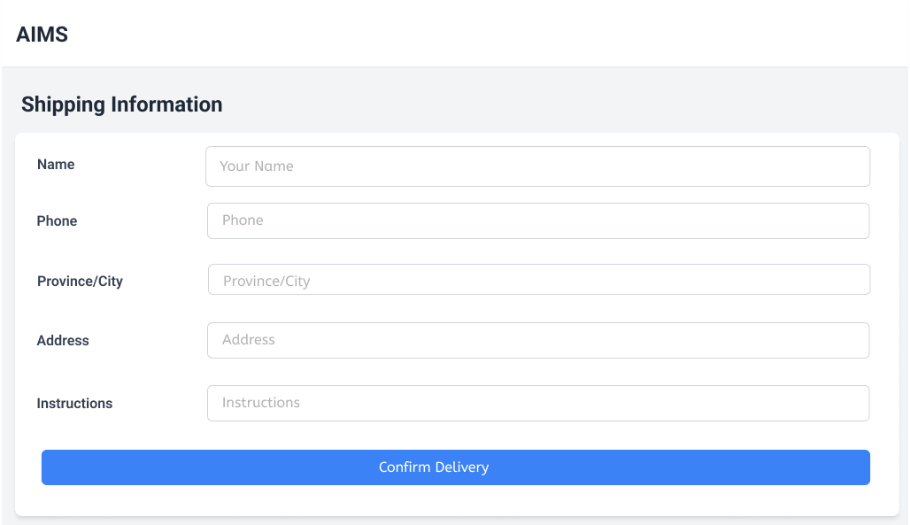 |  | Control | Operation | Function |  | Phone | 20 | Numeric | Black | Left-justified
 |  | Area for displaying the Name | Initial | Display the customer's name |  | Province/City | 50 | Alphanumeric | Black | Left-justified
 |  | Area for displaying the Phone | Initial | Display the customer's phone number |  | Address | 100 | Alphanumeric | Black | Left-justified
 |  | Area for displaying the Province/City | Initial | Display the customer's province and city |  | Instructions | 100 | Alphanumeric | Black | Left-justified
 |  | Area for displaying the Address | Initial | Display the customer's address
 |  | Area for displaying the Instructions | Initial | Display any delivery instructions
 |  | "Confirm Delivery" button | Click | Confirm the delivery information and place the order

AIMS software |  | Date of creation | Approved by | Reviewed by | In charge | Item name | Number of digits (bytes) | Type | Field attribute | Remarks
Screen specification | Invoice screen |  |  |  |  | Name | 50 | Alphanumeric | Black | -
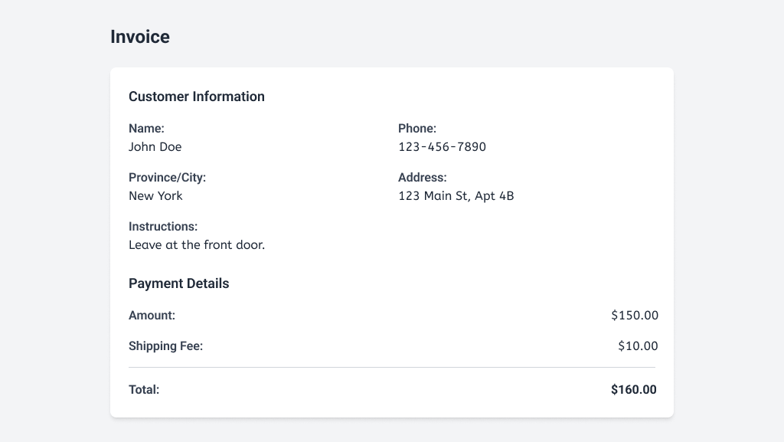 |  | Control | Operation | Function |  | Phone | 20 | Numeric | Black | -
 |  | Area for displaying the Customer Information | Initial | Display the customer's name, phone, province/city, and address, delivery instructions |  | Province/City | 50 | Alphanumeric | Black | -
 |  | Area for displaying the Payment details | Initial | Display subtotal, shipping fee |  | Address | 100 | Alphanumeric | Black | -
 |  | Area for displaying Total | Initial | Display the total |  | Instructions | 100 | Alphanumeric | Black | -
 |  |  |  |  |  | Amount | 20 | Numeric | Black | Right-justified
 |  |  |  |  |  | Shipping Fee | 20 | Numeric | Black | Right-justified
 |  |  |  |  |  | Total | 20 | Numeric | Black | Right-justified

AIMS software |  | Date of creation | Approved by | Reviewed by | In charge | Item name | Number of digits (bytes) | Type | Field attribute | Remarks
Screen specification | Payment screen |  |  |  |  | Card Number | 16 | Numeric | Black | Left-justified
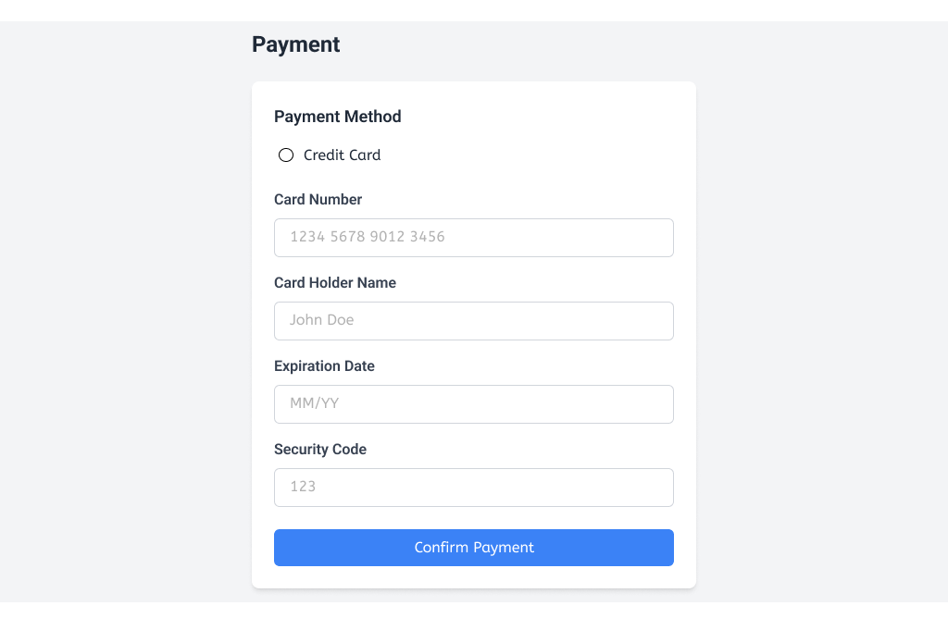 |  | Control | Operation | Function |  | Card Holder Name | 50 | Alphanumeric | Black | Left-justified
 |  | Area for selecting the Payment Method | Initial | Allow the user to select the payment method (Credit Card) |  | Expiration Date | 5 | Numeric (MM/YY) | Black | Left-justified
 |  | Area for entering the Card Number | Initial | Allow the user to enter the credit card number |  | Security Code | 3 | Numeric | Black | Left-justified
 |  | Area for entering the Card Holder Name | Initial | Allow the user to enter the card holder's name
 |  | Area for entering the Expiration Date | Initial | Allow the user to enter the credit card expiration date
 |  | Area for entering the Security Code | Initial | Allow the user to enter the credit card security code
 |  | "Confirm Payment" button | Click | Confirm the payment information and process the transaction

AIMS software |  | Date of creation | Approved by | Reviewed by | In charge | Item name | Number of digits (bytes) | Type | Field attribute | Remarks
Screen specification | Payment successful |  |  |  |  | Area for displaying the "Payment Successful!" message | Initial | Display the message indicating that the payment was processed successfully | Black | -
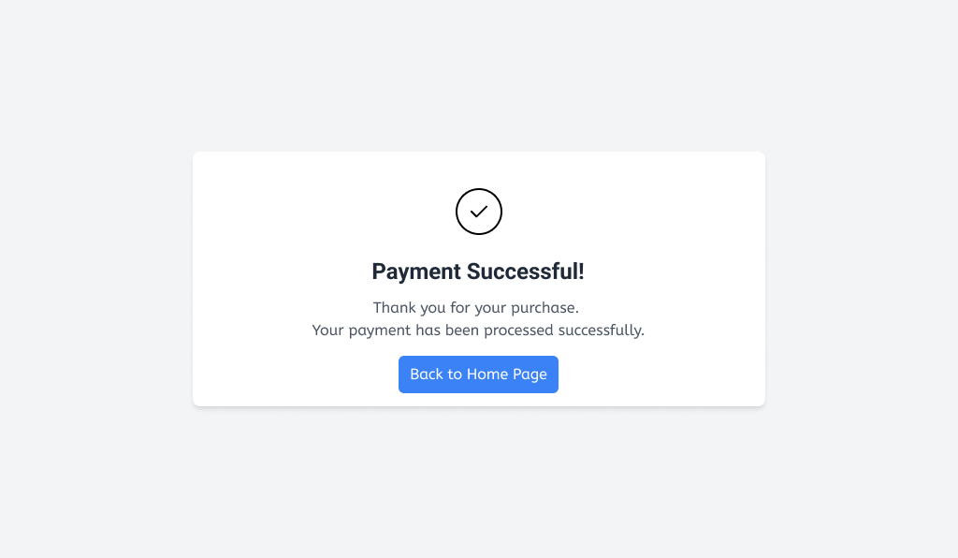 |  | Control | Operation | Function |  | Area for displaying the "Thank you for your purchase" message | Initial | Display a thank you message to the user | Black | -
 |  | Area for displaying the "Payment Successful!" message | Initial | Display the message indicating that the payment was processed successfully |  | "Back to Home Page" button | Click | Allow the user to navigate back to the home page | N/A | -
 |  | Area for displaying the "Thank you for your purchase" message | Initial | Display a thank you message to the user
 |  | "Back to Home Page" button | Click | Allow the user to navigate back to the home page

AIMS software |  | Date of creation | Approved by | Reviewed by | In charge | Item name | Number of digits (bytes) | Type | Field attribute | Remarks
Screen specification | Payment failed |  |  |  |  | Payment Failed message | 100 | Alphanumeric | Black | -
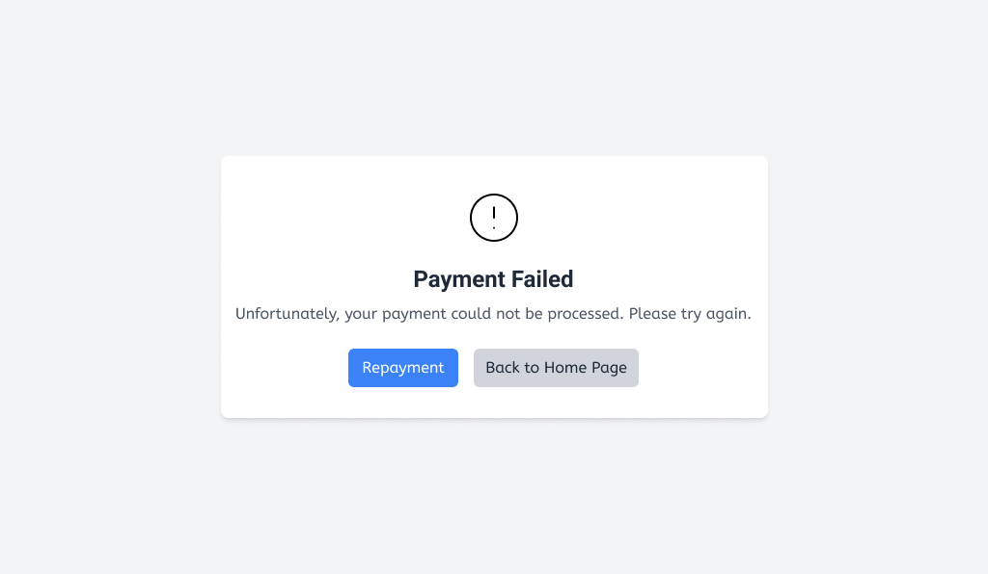 |  | Control | Operation | Function |  | "Repayment" button | N/A | N/A | N/A | -
 |  | Area for displaying the Payment Failed message | Initial | Display the "Payment Failed" message to the user |  | "Back to Home Page" button | N/A | N/A | N/A | -
 |  | "Repayment" button | Click | Allow the user to try the payment again
 |  | "Back to Home Page" button | Click | Allow the user to navigate back to the home page

